DSQUARED
DSQUARED JEANS AND T-SHIRTS TO TAKE ALL

TOT RRP | € 401,767.00
YOUR PRICE: 50% OFF

TOT PCS | 1,538

T-SHIRT

PHOTOS | MODEL | S | M | L | XL | XXL | TOT Q.TY | RRP | TOT RRP
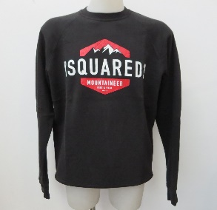 | S74GU0208-900 | 2 | 1 |  |  |  | 3 | € 270.00 | € 810.00
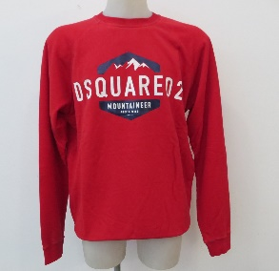 | S74GU0208-307 | 2 | 4 | 4 | 3 | 1 | 14 | € 270.00 | € 3,780.00
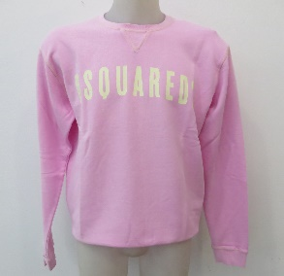 | S71GU0187-242 | 3 | 8 | 7 | 4 | 3 | 25 | € 260.00 | € 6,500.00
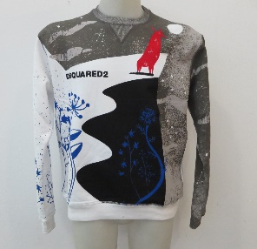 | S71GU0204-100 | 3 | 4 | 9 |  |  | 16 | € 350.00 | € 5,600.00
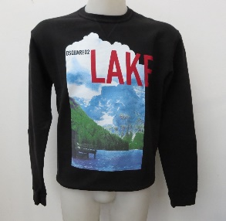 | S71GU0185-900 | 2 | 4 | 5 | 2 | 3 | 16 | € 290.00 | € 4,640.00
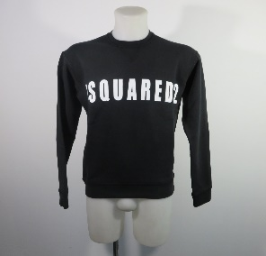 | S74GU0306-900 | 1 | 2 | 1 | 2 | 1 | 7 | € 260.00 | € 1,820.00
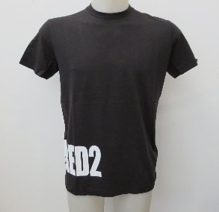 | S74GD0463-900 | 3 | 9 | 8 | 4 |  | 24 | € 175.00 | € 4,200.00
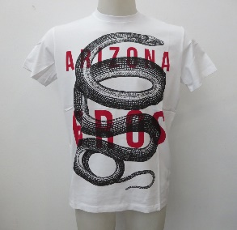 | S71GD0719-100 | 2 | 8 | 8 | 5 | 2 | 25 | € 200.00 | € 5,000.00
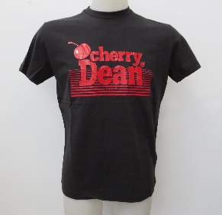 | S74GD0446-900 | 2 | 6 | 6 | 4 | 2 | 20 | € 200.00 | € 4,000.00
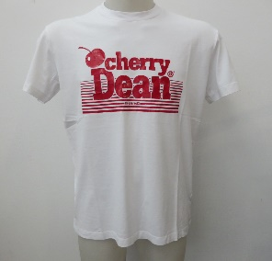 | S74GD0446-100 | 3 | 9 | 9 | 6 | 3 | 30 | € 200.00 | € 6,000.00
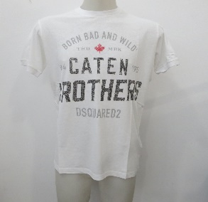 | S74GD0389-100 | 1 | 4 | 4 | 1 | 1 | 11 | € 190.00 | € 2,090.00
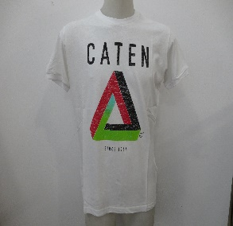 | S74GD0388-100 | 4 | 10 | 8 | 4 | 4 | 30 | € 190.00 | € 5,700.00
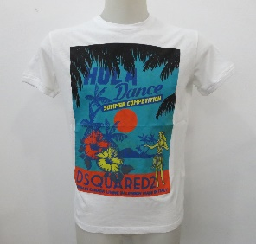 | S71GD0642-100 | 5 | 9 | 8 | 4 | 4 | 30 | € 190.00 | € 5,700.00
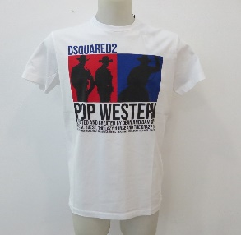 | S71GD0720-100 | 3 | 9 | 9 | 6 | 3 | 30 | € 190.00 | € 5,700.00
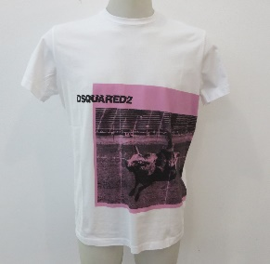 | S71GD0713-100 | 3 | 9 | 9 | 6 | 3 | 30 | € 190.00 | € 5,700.00
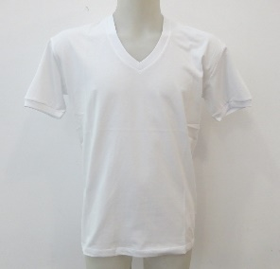 | S74GD0255-100 | 8 | 16 | 16 | 8 | 8 | 56 | € 179.00 | € 10,024.00
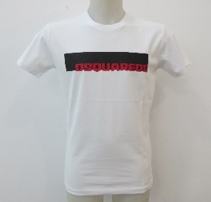 | S71GD0762-100 |  | 3 | 3 |  | 1 | 7 | € 205.00 | € 1,435.00
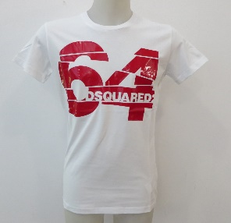 | S71GD0764-100 | 2 | 2 | 2 |  |  | 6 | € 235.00 | € 1,410.00
 | S74GD0369-100 | 4 | 4 | 9 | 7 | 6 | 30 | € 190.00 | € 5,700.00
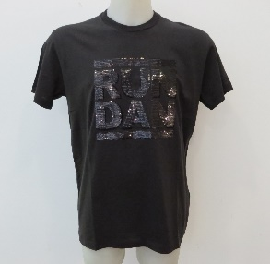 | S74GD0458-964 | 3 | 7 | 6 | 3 |  | 19 | € 335.00 | € 6,365.00
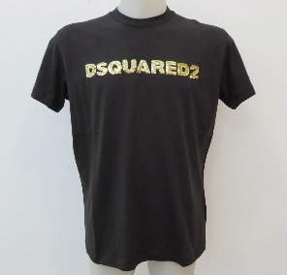 | S74GD0457-963 | 2 | 3 | 3 | 2 |  | 10 | € 220.00 | € 2,200.00
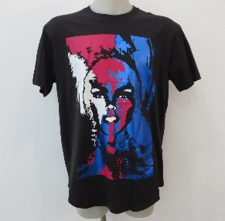 | S74GD0436-900 | 3 | 9 | 9 | 5 | 3 | 29 | € 280.00 | € 8,120.00
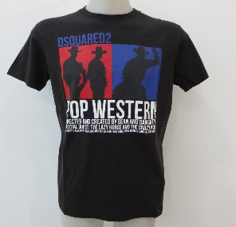 | S71GD0720-900 | 2 | 9 | 7 | 5 | 2 | 25 | € 190.00 | € 4,750.00
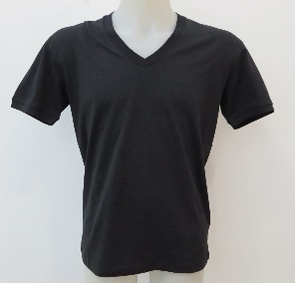 | S74GD0255-900 | 8 | 16 | 16 | 7 | 9 | 56 | € 179.00 | € 10,024.00
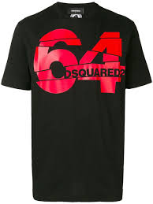 | S71GD0764-900 | 3 | 6 | 6 | 3 | 3 | 21 | € 235.00 | € 4,935.00
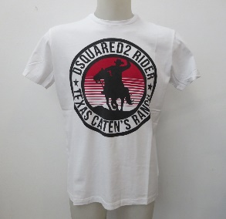 | S71GD0718-100 | 3 | 9 | 8 | 6 | 3 | 29 | € 190.00 | € 5,510.00
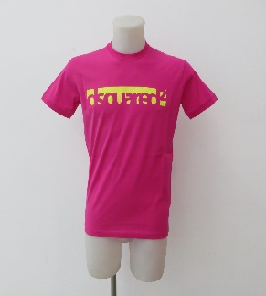 | S71GD0648 | 1 | 12 | 13 | 13 | 1 | 40 | € 180.00 | € 7,200.00
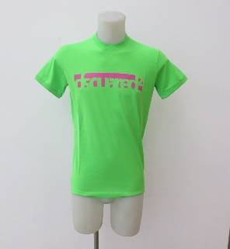 | S71GD0648V |  | 10 | 9 | 12 | 1 | 32 | € 180.00 | € 5,760.00
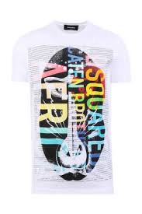 | S71GD0619-100 |  | 18 | 18 |  |  | 36 | € 180.00 | € 6,480.00
 | S71GD0622-100 |  | 9 | 13 |  |  | 22 | € 180.00 | € 3,960.00
 | S71GD0622-900 |  | 3 | 4 |  |  | 7 | € 180.00 | € 1,260.00
 | S74GD0336-100 | 19 | 48 | 29 | 24 |  | 120 | € 180.00 | € 21,600.00
 | S74GD0336-900 | 19 | 41 | 40 | 14 |  | 114 | € 180.00 | € 20,520.00
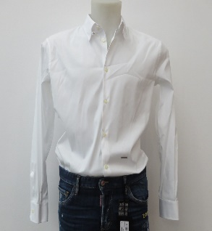 | S71DM0178-100 | 3 | 7 | 7 | 3 |  | 20 | € 300.00 | € 6,000.00
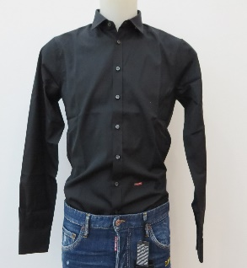 | S71DM0183-900 | 3 | 7 | 7 |  |  | 17 | € 255.00 | € 4,335.00
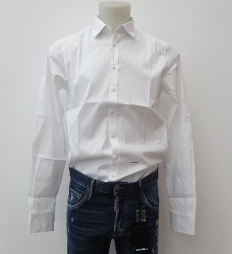 | S71DM0183-100 | 3 | 7 | 7 | 3 |  | 20 | € 255.00 | € 5,100.00
 | S74GD0337-100 | 10 | 25 | 25 | 4 |  | 64 | € 180.00 | € 11,520.00
 |  |  |  |  |  |  | 1,091 |  | € 221,448.00
JEANS

MODELLO | TAGLIA | 46 | 48 | 50 | 52 | 54 | TOTALE | RRP | TOT RRP
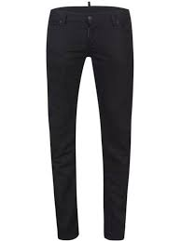 | S71LB0417-900 |  | 13 | 4 |  |  | 17 | € 300.00 | € 5,100.00
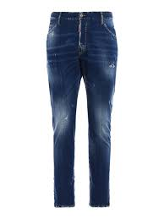 | S71LB0442-470 | 2 | 12 | 11 |  |  | 25 | € 420.00 | € 10,500.00
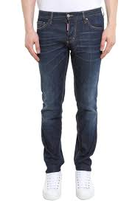 | S71LB0458-470 | 6 | 18 | 19 | 1 |  | 44 | € 360.00 | € 15,840.00
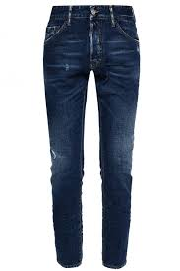 | S74LB0333-470 | 13 | 31 | 33 | 8 |  | 85 | € 390.00 | € 33,150.00
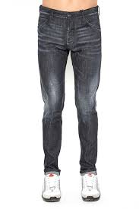 | S74LB0339-900 | 4 | 16 | 15 |  |  | 35 | € 360.00 | € 12,600.00
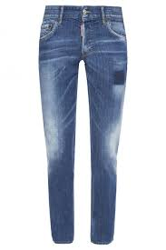 | S74LB0363-470 | 8 | 18 | 18 | 7 |  | 51 | € 420.00 | € 21,420.00
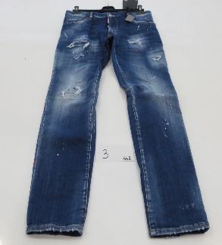 | S71LB0448-470 | 2 | 9 | 9 |  |  | 20 | € 540.00 | € 10,800.00
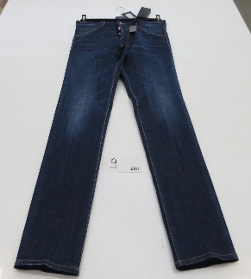 | S71LB0460-470 | 11 | 37 | 37 | 1 |  | 86 | € 360.00 | € 30,960.00
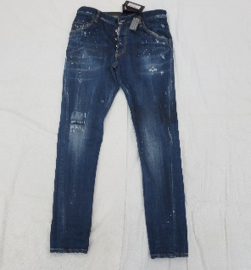 | S71LB0432 |  | 16 | 17 |  |  | 33 | € 483.00 | € 15,939.00
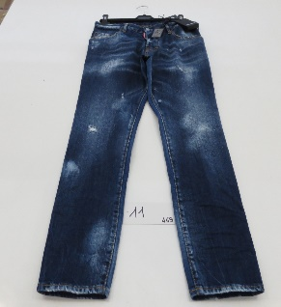 | S71LB0469-470 | 7 | 20 | 20 | 2 |  | 49 | € 435.00 | € 21,315.00
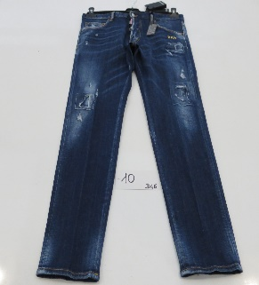 | S74LB0346-470 |  | 1 |  |  |  | 1 | € 550.00 | € 550.00
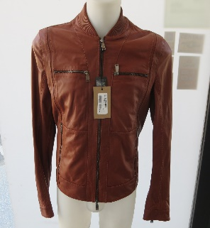 | S74AM429-137 |  | 1 |  |  |  | 1 | € 2,145.00 | € 2,145.00
 |  |  |  |  |  |  | 447 |  | € 180,319.00

